Steps for Logistic regression
STEP 1: Cleaning data
Rows with missing values were removed (over 500 lines)

STEP 2: Logistic regression including all variables was created
Software & tools: gretl, logistic regression function
Output:

Adjustments: independent variables that are not statistically significant (p-value higher than 0.1) were removed from the regression one by one

STEP 3: Only significant variables are included to regression
Variables that are included to regression: male, age, cigsPerDay, prevalentHyp, totChol, sysBP, glucose

Output:

STEP 4: Check for multicolinearity of independent variables
Correlation matrix was utilized to check for multicollinearity. No issues were detected, so all variables remained in the final logistic regression.

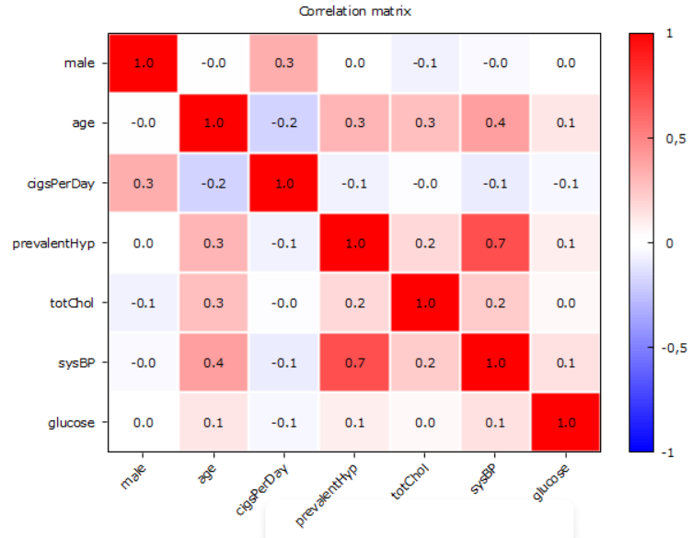 Output:

STEP 5: Final logistic regression
Based on produced coefficients and default formula of logistic regression, final regression is consisted to estimate CHD probability

Default formula:

Estimated coefficients:

Final logistic regression:
$$\hat{y}= \frac{1}{1+e^{−(−8,75 +0,55 ∗ male + 0,07 ∗ age + 0,02 ∗ cigsPerDay + 0,23 ∗ prevalentHyp + 0,002 ∗ totChol + 0,01 ∗ sysBP + 0,007 ∗ glucose)}}$$

Regression overview
LOGISTIC REGRESSION COEFFICIENTS AND OVERVIEW

Final regression
$$\hat{y}= \frac{1}{1+e^{−(−8,75 +0,55 ∗ male + 0,07 ∗ age + 0,02 ∗ cigsPerDay + 0,23 ∗ prevalentHyp + 0,002 ∗ totChol + 0,01 ∗ sysBP + 0,007 ∗ glucose)}}$$

Coefficients and Odds
 | coefficient | Odds ratio
const | -8.7491064601 |  | 0.02% | The probability to have coronary heart disease in general is 0,02%
male | 0.55415476929 | 1.74047 | 74% | Men have 74% higher relative risk of having coronary heart disease
age | 0.065531094347 | 1.06773 | 6.8% | Increase of 1 year in age is associated with an increase of 6,8% in the odds of coronary heart disease
cigsPerDay | 0.019375079163 | 1.01956 | 2.0% | Increase of 1 cigarette per day is associated with an increase of 2% in the odds of coronary heart disease
prevalentHyp | 0.23423525649 | 1.26394 | 26.4% | Hypertensive people have 26,4% higher relative risk of having coronary heart disease
totChol | 0.0022387336772 | 1.00224 | 0.2% | Increase of 1 unit of choresterol level is associated with an increase of 0,2% in the odds of coronary heart disease
sysBP | 0.014257303668 | 1.01436 | 1.4% | Increase of 1 unit of systolic blood pressure is associated with an increase of 1,4% in the odds of coronary heart disease
glucose | 0.0073268158125 | 1.00735 | 0.7% | Increase of 1 unit in glucose level is associated with an increase of 0,7% in the odds of coronary heart disease

Summary
1. Men are expected to end up in risk category for CHD more often than women, therefore, they should do more health checkups related to CHD.
2. Hypertensity is considered to be a risk increasing factor for CHD, so one should avoid diet, life-style that causes hypertensity.
3. As person ages, the odds to have CHD increases by 6.8% per every additional year, the older person gets, the more attention they should pay to CHD related health factors.
4. Additional cigarette per day increases the odds of having CHD by 2%. Person should quit smoking in order to reduce risk of CHD.
5. Increases in Systolic blood presure, glucose, and choresterol level also increases the odds of having CHD, life-style that reduces these indicators would decrease the risk of CHD.

Regression assessment
Confusion matrix
New variable that converts estimated probability to either 1 or 0 was created. The variable classifies probability based on selected cutoff point (tested values: 0.5, 0.4, 0.3, 0.2, 0.1). Then the estimated outcome is compared to actual outcome by generated confusion matrix (gretl Cross Tabulation tool).

Default Cutoff: 0,5
 | Predicted
Actual |  | 0 | 1
 | 0 | 3080 | 19
 | 1 | 515 | 42

Precision | 68.85%
Recall | 7.54%
Specificity | 99.39%
Correctly predicted | 85.39%

Cutoff: 0,4
 | Predicted
Actual |  | 0 | 1
 | 0 | 3017 | 82
 | 1 | 473 | 84

Precision | 50.60%
Recall | 15.08%
Specificity | 97.35%
Correctly predicted | 84.82%

Cutoff: 0,3
 | Predicted
Actual |  | 0 | 1
 | 0 | 2831 | 268
 | 1 | 399 | 158
TOTAL

Precision | 37.09%
Recall | 28.37%
Specificity | 91.35%
Correctly predicted | 81.76%

Cutoff: 0,2
 | Predicted
Actual |  | 0 | 1
 | 0 | 2441 | 658
 | 1 | 251 | 300
TOTAL

Precision | 31.32%
Recall | 54.45%
Specificity | 78.77%
Correctly predicted | 75.10%

Cutoff: 0,1
 | Predicted
Actual |  | 0 | 1
 | 0 | 1467 | 1632
 | 1 | 87 | 470
TOTAL

Precision | 22.36%
Recall | 84.38%
Specificity | 47.34%
Correctly predicted | 52.98%

Performance metrics
Cutoff | 0.5 | 0.4 | 0.3 | 0.2 | 0.1
Recall | 7.54% | 15.08% | 28.37% | 54.45% | 84.38% | Summary from Confusion Matrix
Precision | 68.85% | 50.60% | 37.09% | 31.32% | 22.36% | 1. In this case most crucial estimation is correctly identified people that are at risk group of having CHD (Ŷ = 1 and Y = 1). Identifying people at this group can reduce the risk of them actually having the disease by changing diet and life-style habits.
Specificity | 99.39% | 97.35% | 91.35% | 78.77% | 47.34%
Correctly predicted | 85.39% | 84.82% | 81.76% | 75.10% | 52.98%
Performance matrix
 |  |  |  |  |  | 2. Incorrectly estimated positive outcome (Ŷ = 1 and Y = 0) is not considered a major problem under assumption that no treatment is applied for the patient. The classification to a risk group only consequences in recommendations of more healthy diet and life-style.

 |  |  |  |  |  | 3. Therefore, Recall metrics is considered the most important one for this case since we care the most about correctly estimated positive outcomes (Ŷ = 1 and Y = 1).

 |  |  |  |  |  | 4. Consequently, cutoff point with the highest Recall is selected: 0,1.

